Sheet1
 |  | PROJECT : | Nivan Sky Gardens - TOWER 01 |  | PREPARED : | MAYUR S.

 |  | TITLE : | AREA STATEMENT |  | CHECKED : | RAVEENA P
 |  |  |  |  | APPROVED : | ASHISH A.
 |  | REV | 4 |  | DATE : | 2022-11-01
TOWER 1 - EVEN TYPICAL FLOOR - AREA STATEMENT (FULL SET)
SR.NO | DESCRIPTION | AREA | QTY | TOTAL | NOTES
1 | FLAT 01 | 603.00 | 1 | 603 | 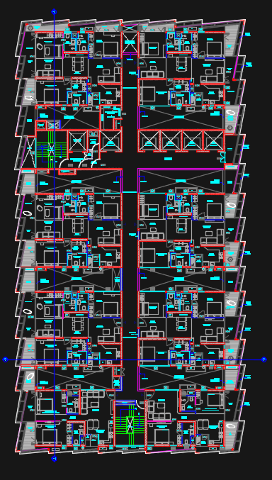 HEIGHT - 3.3 MTRS
2 | FLAT 02 | 608.00 | 1 | 608
3 | FLAT 03 | 572.00 | 2 | 1144
4 | FLAT 04 | 563.00 | 2 | 1126
5 | FLAT 05 | 450.00 | 1 | 450
6 | FLAT 06 | 439.00 | 1 | 439
7 | ST 01 | 132.00 | 1 | 132
8 | ST 02 | 86.00 | 1 | 86
9 | PASSAGE | 1047.00 | 1 | 1047
 | TOTAL AREA |  |  | 5635.00
 | 5% EXTRA (Double set panels,grooves etc.) |  |  | 281.75
 | REQUIRED APPROXIMATELY FORMWORK AREA |  |  | 5916.75 | SQM

TOWER 1 - ADDITIONAL MATERIAL REQUIRED FOR ODD FLOOR
SR.NO | DESCRIPTION | AREA | QTY | TOTAL | NOTES
1 | CHANGES MATERIAL | 1050.00 | 1 | 1050 | HEIGHT - 3.3 MTRS
 | TOTAL AREA |  |  | 1050.00
 | 5% EXTRA (Double set panels,grooves etc.) |  |  | 52.50
 | REQUIRED APPROXIMATELY FORMWORK AREA |  |  | 1102.50 | SQM

 | TOTAL REQUIRED APPROXIMATELY FORMWORK AREA |  |  | 7019.25 | SQM

